Cover Page
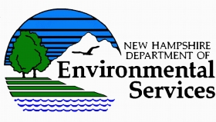

Residential Water and Wastewater Connection Fees in New Hampshire
as of January 2018

First Published: September 26, 2018

TABLES OF TAP FEES AND SYSTEM DEVELOPMENT CHARGES FOR NEW RESIDENTIAL CUSTOMERS

These tables provide the results of a statewide survey of the initial, one-time fees that New Hampshire utilities charge residential homes that connect to their water and/or wastewater (sewer) systems for the first time. The survey includes 62 New Hampshire utilities owned by local governments, not-for-profit associations, and for-profit entities. The survey was conducted by the Environmental Finance Center at the University of North Carolina's School of Government, Tighe and Bond, and the New Hampshire Department of Environmental Services. These tables only list the tap fees and capacity charges (often referred to as system development charges) for residential customers. In addition to these pre-established connection charges, utilities use other mechanisms to recover their costs including property assessments and negotiated developer reimbursement agreements. Those charges, as well as non-residential tap fees and capacity charges, were not included in the survey and are not included in these tables.
To view tables, open the Water Fees worksheet or the Wastewater (Sewer) Fees worksheet

Funding to create and provide these tables as a resource to utilities in New Hampshire was provided by the New Hampshire Department of Environmental Services. Other participating organizations include the New Hampshire Municipal Association, the Granite State Rural Water Association, and Rural Community Assistance Partnership Solutions.

